PopulationReport
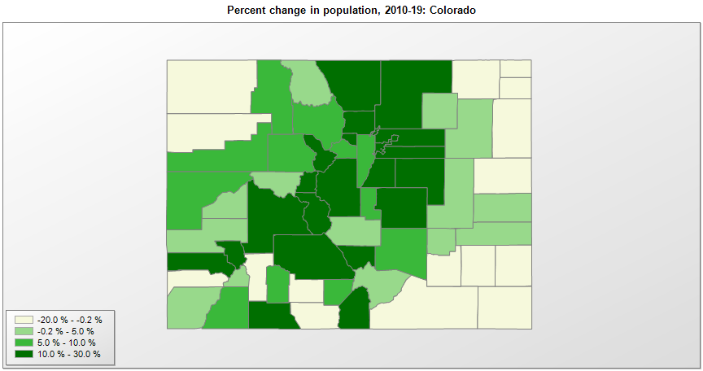

FIPS* | County name | RUC code | Pop. 1990 | Pop. 2000 | Pop. 2010 | Pop. 2019 | Change 2010-19
08000 | Colorado |  | 3,294,473 | 4,302,086 | 5,029,319 | 5,758,736 | 14.5%
08001 | Adams County | 1 | 265,038 | 348,076 | 441,697 | 517,421 | 17.1%
08003 | Alamosa County | 7 | 13,617 | 14,965 | 15,440 | 16,233 | 5.1%
08005 | Arapahoe County | 1 | 391,572 | 488,829 | 572,118 | 656,590 | 14.8%
08007 | Archuleta County | 7 | 5,345 | 9,894 | 12,084 | 14,029 | 16.1%
08009 | Baca County | 9 | 4,556 | 4,517 | 3,787 | 3,581 | -5.4%
08011 | Bent County | 7 | 5,048 | 5,996 | 6,499 | 5,577 | -14.2%
08013 | Boulder County | 2 | 225,339 | 269,784 | 294,560 | 326,196 | 10.7%
08015 | Chaffee County | 7 | 12,684 | 16,250 | 17,809 | 20,356 | 14.3%
08017 | Cheyenne County | 9 | 2,397 | 2,229 | 1,833 | 1,831 | -0.1%
08019 | Clear Creek County | 1 | 7,619 | 9,263 | 9,073 | 9,700 | 6.9%
08021 | Conejos County | 9 | 7,453 | 8,400 | 8,256 | 8,205 | -0.6%
08023 | Costilla County | 9 | 3,190 | 3,661 | 3,524 | 3,887 | 10.3%
08025 | Crowley County | 8 | 3,946 | 5,514 | 5,823 | 6,061 | 4.1%
08027 | Custer County | 8 | 1,926 | 3,508 | 4,251 | 5,068 | 19.2%
08029 | Delta County | 6 | 20,980 | 27,824 | 30,953 | 31,162 | 0.7%
08031 | Denver County | 1 | 467,549 | 553,805 | 599,825 | 727,211 | 21.2%
08033 | Dolores County | 9 | 1,504 | 1,844 | 2,064 | 2,055 | -0.4%
08035 | Douglas County | 1 | 60,391 | 175,732 | 285,465 | 351,154 | 23.0%
08037 | Eagle County | 5 | 21,928 | 41,623 | 52,201 | 55,127 | 5.6%
08039 | Elbert County | 1 | 9,646 | 19,855 | 23,088 | 26,729 | 15.8%
08041 | El Paso County | 2 | 397,014 | 516,934 | 622,253 | 720,403 | 15.8%
08043 | Fremont County | 4 | 32,273 | 46,140 | 46,828 | 47,839 | 2.2%
08045 | Garfield County | 5 | 29,974 | 43,786 | 56,373 | 60,061 | 6.5%
08047 | Gilpin County | 1 | 3,070 | 4,746 | 5,449 | 6,243 | 14.6%
08049 | Grand County | 7 | 7,966 | 12,433 | 14,843 | 15,734 | 6.0%
08051 | Gunnison County | 7 | 10,273 | 14,000 | 15,324 | 17,462 | 14.0%
08053 | Hinsdale County | 9 | 467 | 792 | 843 | 820 | -2.7%
08055 | Huerfano County | 6 | 6,009 | 7,859 | 6,711 | 6,897 | 2.8%
08057 | Jackson County | 9 | 1,605 | 1,577 | 1,393 | 1,392 | -0.1%
08059 | Jefferson County | 1 | 438,430 | 525,449 | 534,829 | 582,881 | 9.0%
08061 | Kiowa County | 9 | 1,688 | 1,622 | 1,398 | 1,406 | 0.6%
08063 | Kit Carson County | 7 | 7,140 | 8,013 | 8,270 | 7,097 | -14.2%
08065 | Lake County | 6 | 6,007 | 7,814 | 7,310 | 8,127 | 11.2%
08067 | La Plata County | 4 | 32,284 | 43,957 | 51,335 | 56,221 | 9.5%
08069 | Larimer County | 2 | 186,136 | 251,489 | 299,630 | 356,899 | 19.1%
08071 | Las Animas County | 7 | 13,765 | 15,212 | 15,507 | 14,506 | -6.5%
08073 | Lincoln County | 8 | 4,529 | 6,089 | 5,469 | 5,701 | 4.2%
08075 | Logan County | 7 | 17,567 | 20,566 | 22,709 | 22,409 | -1.3%
08077 | Mesa County | 3 | 93,145 | 116,939 | 146,733 | 154,210 | 5.1%
08079 | Mineral County | 9 | 558 | 831 | 712 | 769 | 8.0%
08081 | Moffat County | 7 | 11,357 | 13,178 | 13,791 | 13,283 | -3.7%
08083 | Montezuma County | 6 | 18,672 | 23,822 | 25,541 | 26,183 | 2.5%
08085 | Montrose County | 4 | 24,423 | 33,438 | 41,276 | 42,758 | 3.6%
08087 | Morgan County | 6 | 21,939 | 27,172 | 28,159 | 29,068 | 3.2%
08089 | Otero County | 6 | 20,185 | 20,311 | 18,833 | 18,278 | -2.9%
08091 | Ouray County | 9 | 2,295 | 3,747 | 4,442 | 4,952 | 11.5%
08093 | Park County | 1 | 7,174 | 14,519 | 16,203 | 18,845 | 16.3%
08095 | Phillips County | 9 | 4,189 | 4,485 | 4,442 | 4,265 | -4.0%
08097 | Pitkin County | 7 | 12,661 | 14,889 | 17,144 | 17,767 | 3.6%
08099 | Prowers County | 7 | 13,347 | 14,483 | 12,551 | 12,172 | -3.0%
08101 | Pueblo County | 3 | 123,051 | 141,490 | 159,063 | 168,424 | 5.9%
08103 | Rio Blanco County | 9 | 6,051 | 5,992 | 6,673 | 6,324 | -5.2%
08105 | Rio Grande County | 7 | 10,770 | 12,425 | 11,982 | 11,267 | -6.0%
08107 | Routt County | 7 | 14,088 | 19,679 | 23,506 | 25,638 | 9.1%
08109 | Saguache County | 9 | 4,619 | 5,904 | 6,108 | 6,824 | 11.7%
08111 | San Juan County | 9 | 745 | 558 | 699 | 728 | 4.1%
08113 | San Miguel County | 9 | 3,653 | 6,593 | 7,359 | 8,179 | 11.1%
08115 | Sedgwick County | 9 | 2,690 | 2,747 | 2,382 | 2,248 | -5.6%
08117 | Summit County | 5 | 12,881 | 23,560 | 27,994 | 31,011 | 10.8%
08119 | Teller County | 2 | 12,468 | 20,541 | 23,359 | 25,388 | 8.7%
08121 | Washington County | 9 | 4,812 | 4,922 | 4,812 | 4,908 | 2.0%
08123 | Weld County | 2 | 131,821 | 180,766 | 252,827 | 324,492 | 28.3%
08125 | Yuma County | 7 | 8,954 | 9,846 | 10,043 | 10,019 | -0.2%

Source: U.S. Census Bureau, 1990, 2000, and 2010 Censuses of Population (corrected), and 2019 County Total Population Estimates. 1) The FIPS codes uniquely identify each county and are part of the Federal Information Processing Standards (FIPS) developed by the National Institute of Standards and Technology (NIST), U.S. Department of Commerce. For more information, see the NIST FIPS publication page. 2) The 2013 rural-urban continuum codes classify metropolitan counties (codes 1 through 3) by size of the Metropolitan Statistical Area (MSA), and nonmetropolitan counties (codes 4 through 9) by degree of urbanization and proximity to metro areas. See rural-urban continuum codes for precise definitions of each code.

